Sheet1
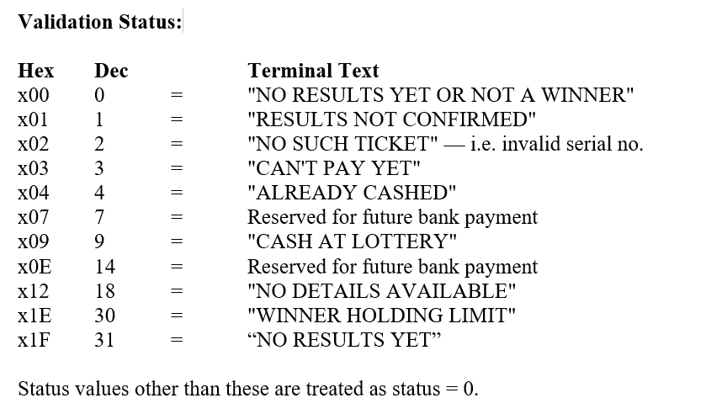
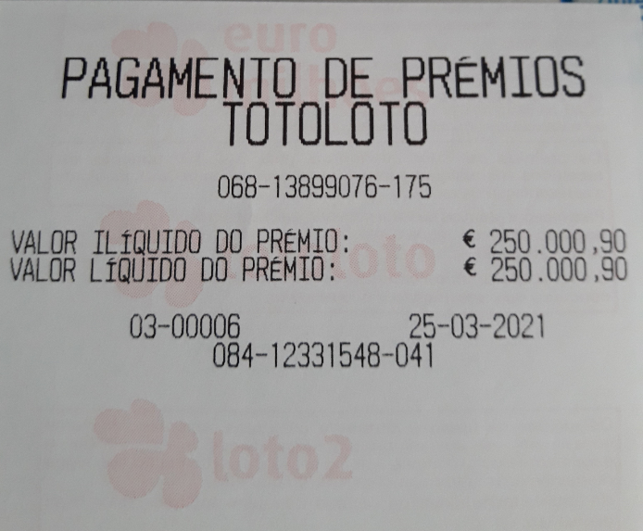
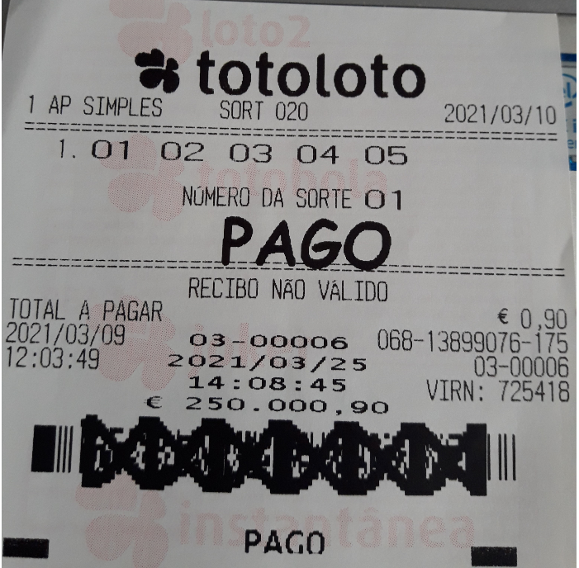
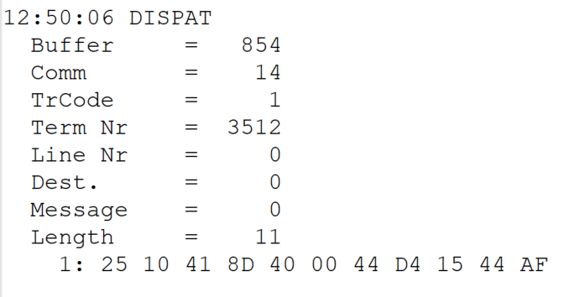
 |  |  |  |  | HEXA | BIN | DEC
TestByte |  | Size | Field Contents
Start | End
1 | 1 | 1 | Control | Sequence | 25 | Control=0010 Sequence=0101 | 2 5 | Control -> x10 - Application Message Sequence -> 5
2 | 2 | 1 | Type = 1 | Subtype = see below | 10 | Type=0001 Subtype=0000 | Type=1 Subtype=0 | Type = 1 Subtype = 0
3 | 4 | 2 | Checksum |  | 41 8D
5 | 5 | 1 | Statistics (see below) |  | 40 | …....... | …....... | x40 = Reader Entry
6 | 7 | 2 | Wager Julian Date |  | 00 44 |  | 68 | 31+28+9=068
8 | 10 | 3 | Wager Serial Number |  | D4 15 44 |  | 13899076 | 13899076
11 | 11 | 1 | Wager Check Digits |  | AF |  | 175 | 175
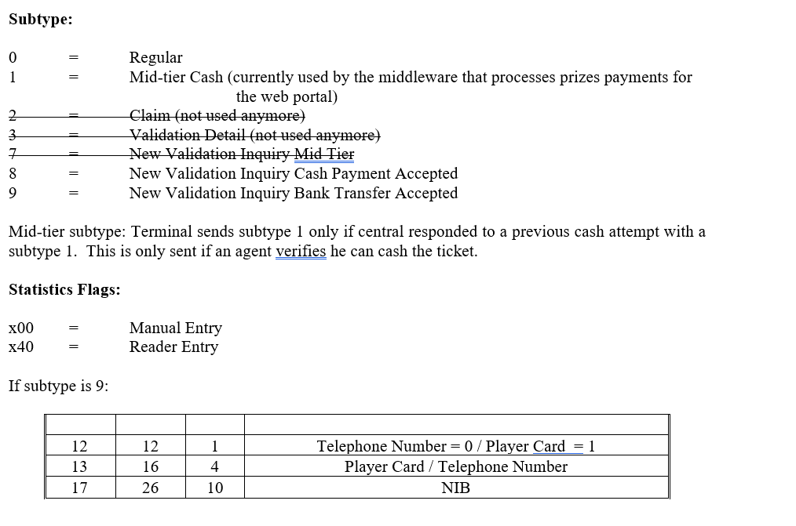

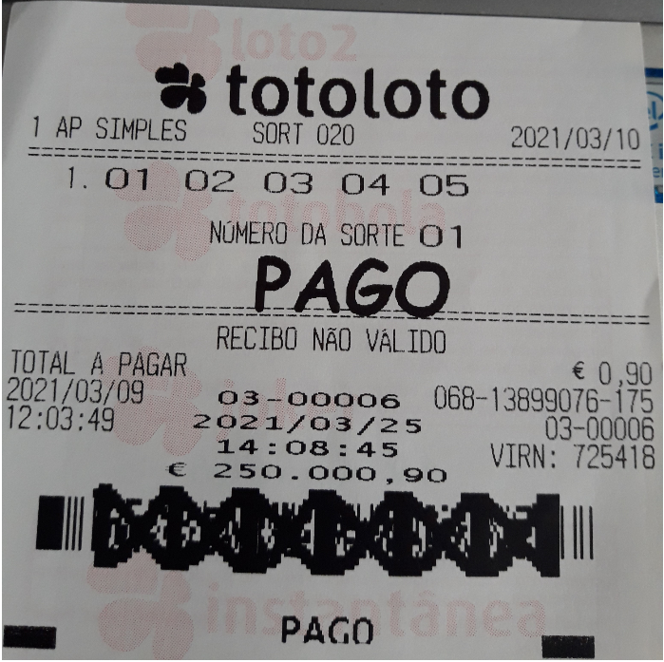

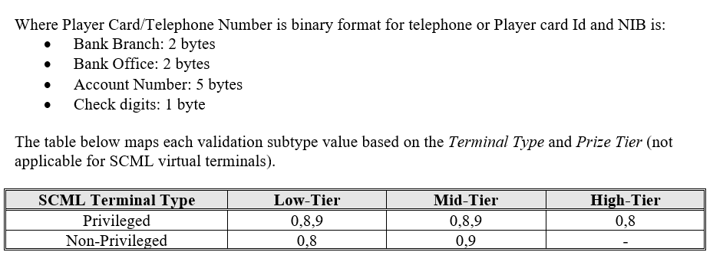

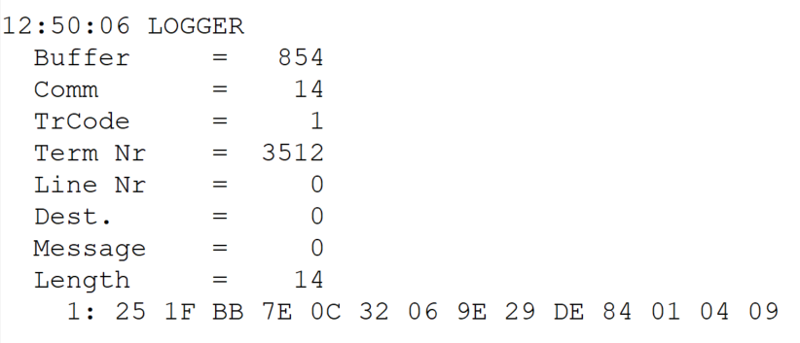
TestByte |  | Size | Field Contents
Start | End
1 | 1 | 1 | Control | Sequence | 25 | Control=0010 Sequence=0101 | 2 5 | Control -> x10 - Application Message Sequence -> 5
2 | 2 | 1 | Type = 1 | Subtype = F | 1F | Type=0001 Subtype=1111 | Type=1 Subtype=15 | Type = 1 Subtype = 15
3 | 4 | 2 | Checksum |  | BB 7E
5 | 7 | 3 | Time |  | 0C 32 06 |  | 12:50:06 | 12:50:06
8 | 10 | 3 | Validation Serial Number |  | 9E 29 D3 |  | 10365395 | 10365395
11 | 11 | 1 | Validation Check Digits |  | 84 |  | 132 | 132
12 | 12 | 1 | Game Type |  | 01 |  | 1 | LOTT - Totoloto
13 | 13 | 1 | Game Index |  | 04 |  | 4 | Quarta
14 | 14 | 1 | Validation Status |  | 09 |  | 9 | 9 = "CASH AT LOTTERY"

